Dashboard
ETF Portfolio Calculator
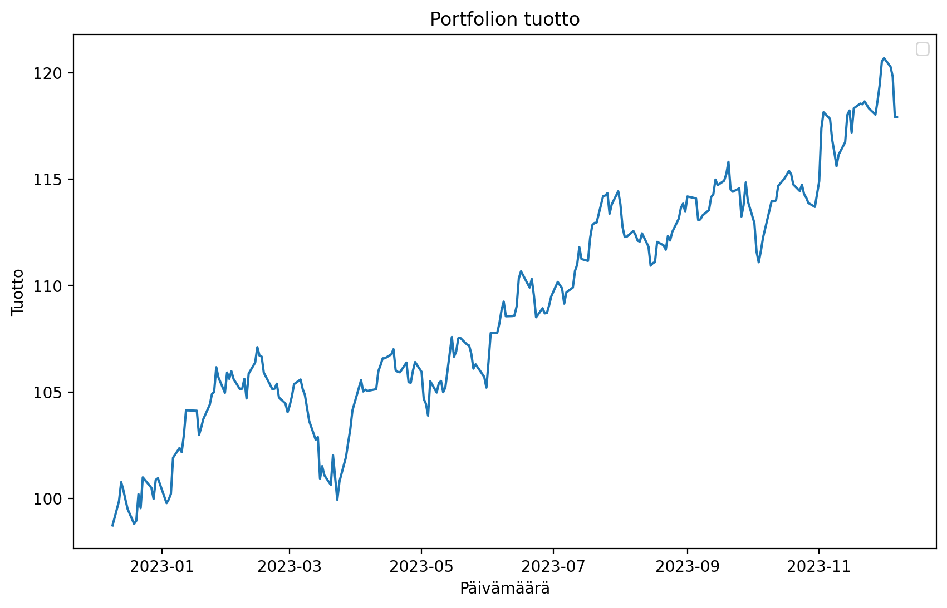
 | Paste The Tickers: |  |  | Ticker Finder:
 | DIA | SPDR Dow Jones Industrial Average ETF | | | Search word: | SP500
 | AGG | iShares Core US Aggregate Bond ETF | | | Ticker | Name | Exchange
 | ASHR | Deutsche X-trackers Harvest CSI300 CHN A | | | ESE.PA | BNPP SP500 EUR C | PAR
 | AMJ | JPMorgan Alerian MLP ETN | | | SP5.MC | MUL LY SP500 D | MCE
 | XME | SPDR S&P Metals and Mining ETF | | | ESEH.PA | BNPP SP500 EURH C | PAR
 | VIG | Vanguard Specialized Funds - Vanguard Dividend Appreciation ETF | | | LYP2.BE | MUL LY SP500 DHD | BER
 | IYT | iShares Trust - iShares Transportation Average ETF | | | ESD.PA | BNPP SP500 USD C | PAR
 | AMLP | Alerian MLP ETF | | | UBU9.HM | UBS(I.)ETF-SP500 U.E.ADDL | HAM
 | CHAU | Direxion Shares ETF Trust - Direxion Daily CSI 300 China A Share Bull 2X Shares | | | LYPS.BE | MUL LY SP500 D | BER
 | VEU | Vanguard FTSE All-Wld ex-US ETF | | | UBU9.DU | UBS(I.)ETF-SP500 U.E.ADDL | DUS
 | AGQ | ProShares Ultra Silver | |
 | FXA | CurrencyShares Australian Dollar Trust | |
 | DBA | PowerShares DB Agriculture ETF | |
 | BOND | PIMCO ETF Trust - PIMCO Active Bond Exchange-Traded Fund | |
 | ADRE | BLDRS Emerging Markets 50 ADR ETF | |
 | ACWI | iShares Trust - iShares MSCI ACWI ETF | |
 | PKW | PowerShares Exchange-Traded Fund Trust - PowerShares Buyback Achievers Portfolio | |
 | MOO | VanEck Vectors ETF Trust - VanEck Vectors Agribusiness ETF | |
 | ITA | iShares US Aerospace & Defense ETF | |
 | AAXJ | iShares MSCI All Country Asia ex Jpn ETF | |
 | ILF | iShares Trust - iShares Latin America 40 ETF | |
 | FXU | First Trust Exchange-Traded AlphaDEX Fund - First Trust Utilities AlphaDEX Fund | |
 | AIA | iShares Trust - iShares Asia 50 ETF | |
 |  |  | |
 |  |  | |
 |  |  | |
 |  |  | |
 |  |  | |
 |  |  | |
 |  |  | |
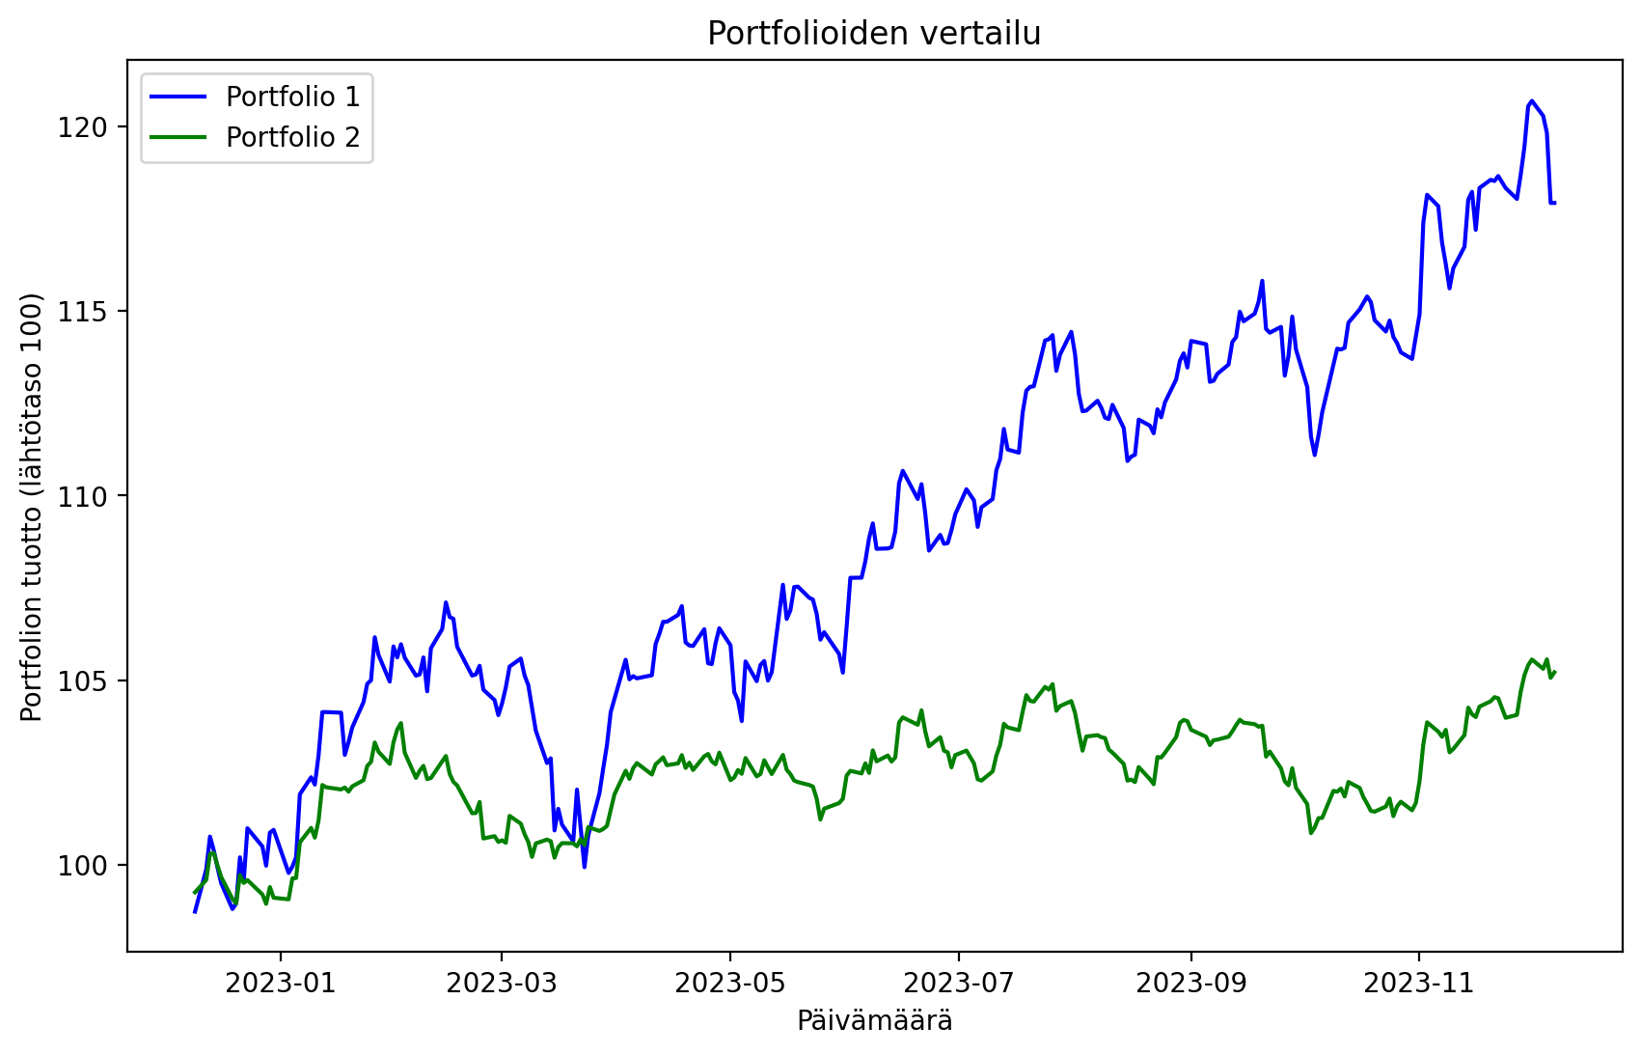
 |  |  | |
 |  |  | |
 |  |  | |
 |  |  | |
 |  |  | |
 |  |  | |
 |  |  | |
 |  |  | |
 |  |  | |
 |  |  | |
 |  |  | |
 |  |  | |
 |  |  | |
 |  |  | |
 |  |  | |
 |  |  | |
 |  |  | |
 |  |  | |
 |  |  | |
 |  |  | |
 |  |  | |
 |  |  | |
 |  |  | |
 |  |  | |
 |  |  | |
 |  |  | |
 |  |  | |
 |  |  | |
 |  |  | |
 |  |  | |
 |  |  | |
 |  |  | |
 |  |  | |
 |  |  | |
 |  |  | |
 |  |  | |
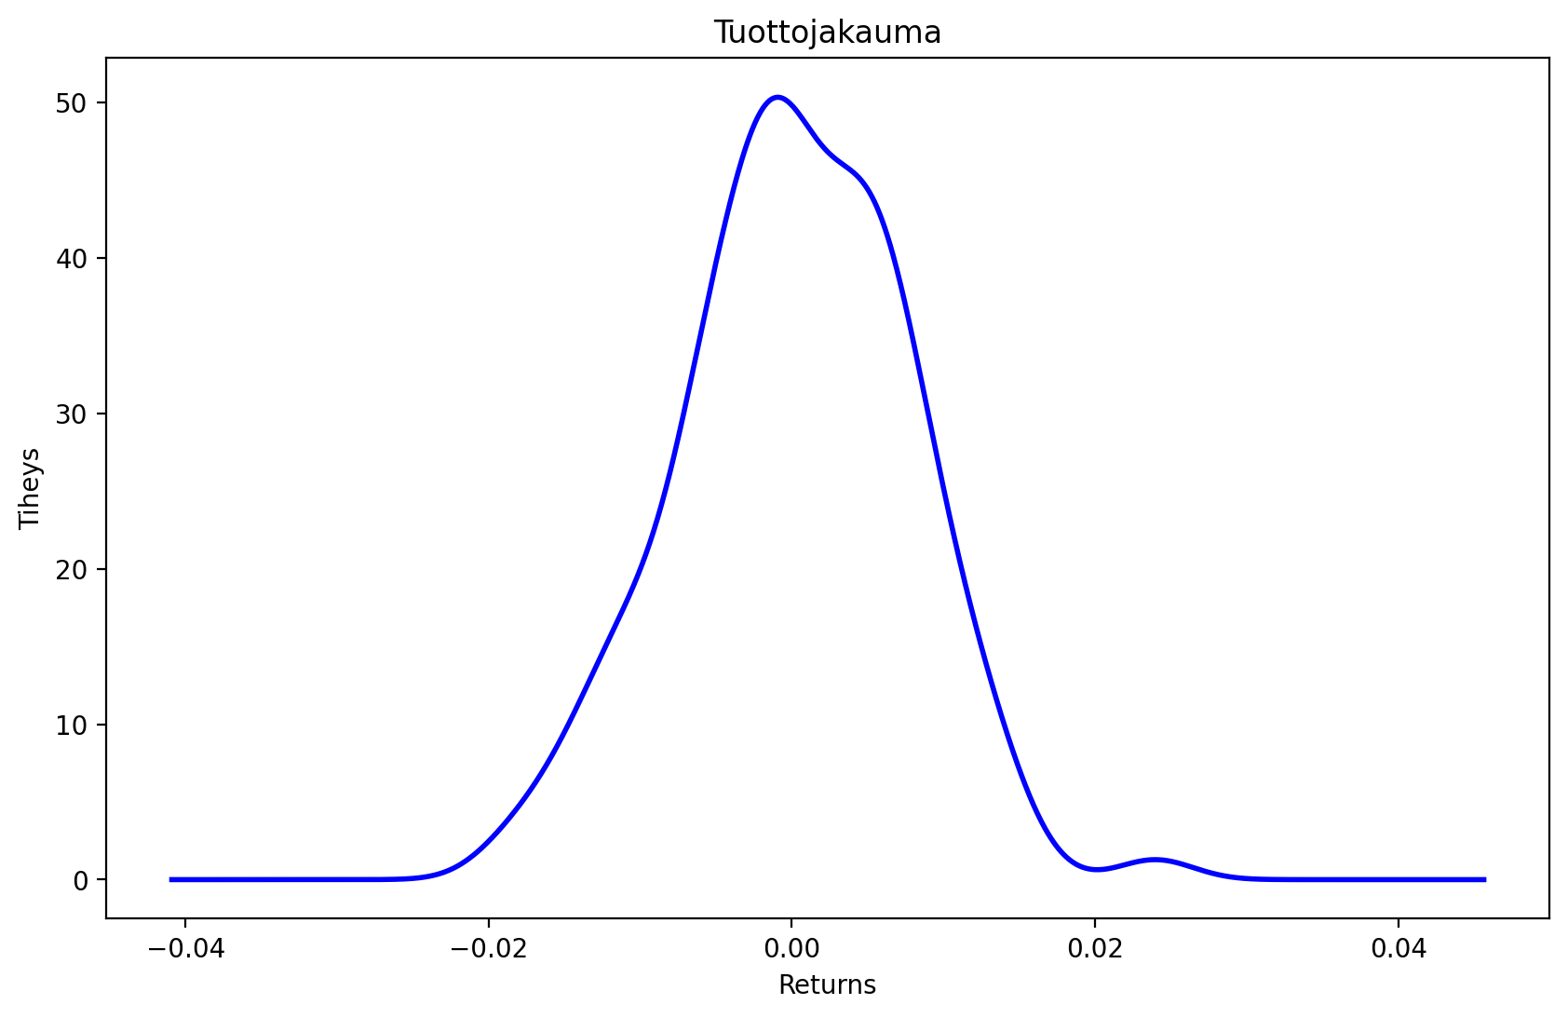
 |  |  | |
 |  |  | |
 |  |  | |
 |  |  | |
 |  |  | |
 |  |  | |
 |  |  | |
 |  |  | |
 |  |  | |
 |  |  | |
 |  |  | |
 |  |  | |
 |  |  | |
 |  |  | |
 |  |  | |
 |  |  | |
 |  |  | |
 |  |  | |
 |  |  | |
 |  |  | |
 |  |  | |
 |  |  | |
 |  |  | |
 |  |  | |
 |  |  | |
 |  |  | |
 |  |  | |
 |  |  | |
 |  |  | |
 |  |  | |
 |  |  | |
 |  |  | |
 |  |  | |
 |  |  | |
 |  |  | |
 |  |  | |
 |  |  | |
 |  |  | |
 |  |  | |
 |  |  | |
 |  |  | |
 |  |  | |
 |  |  | |
 |  |  | |
 |  |  | |
 |  |  | |
 |  |  | |
 |  |  | |
 |  |  | |

